Summary
Mid-Columbia Summer/Fall Chinook |  |  |  | ESA: Not Listed | Life History: Ocean rearing
Includes a healthy population in the Deschutes River.
Upriver bright stock similar to the productive Hanford population returning to the upper Columbia.
Most of historical spawning habitat in the mainstem Deschutes remains accessible. Distribution may have been slightly truncated by Pelton and Round Butte dams.
No hatchery production of this stock occurs in the Deschutes River. Fall Chinook are released in a number of mainstem hatcheries in the mid-Columbia.
Ranges widely in the ocean and is harvested from the Pacific Northwest to Canada and Alaska.
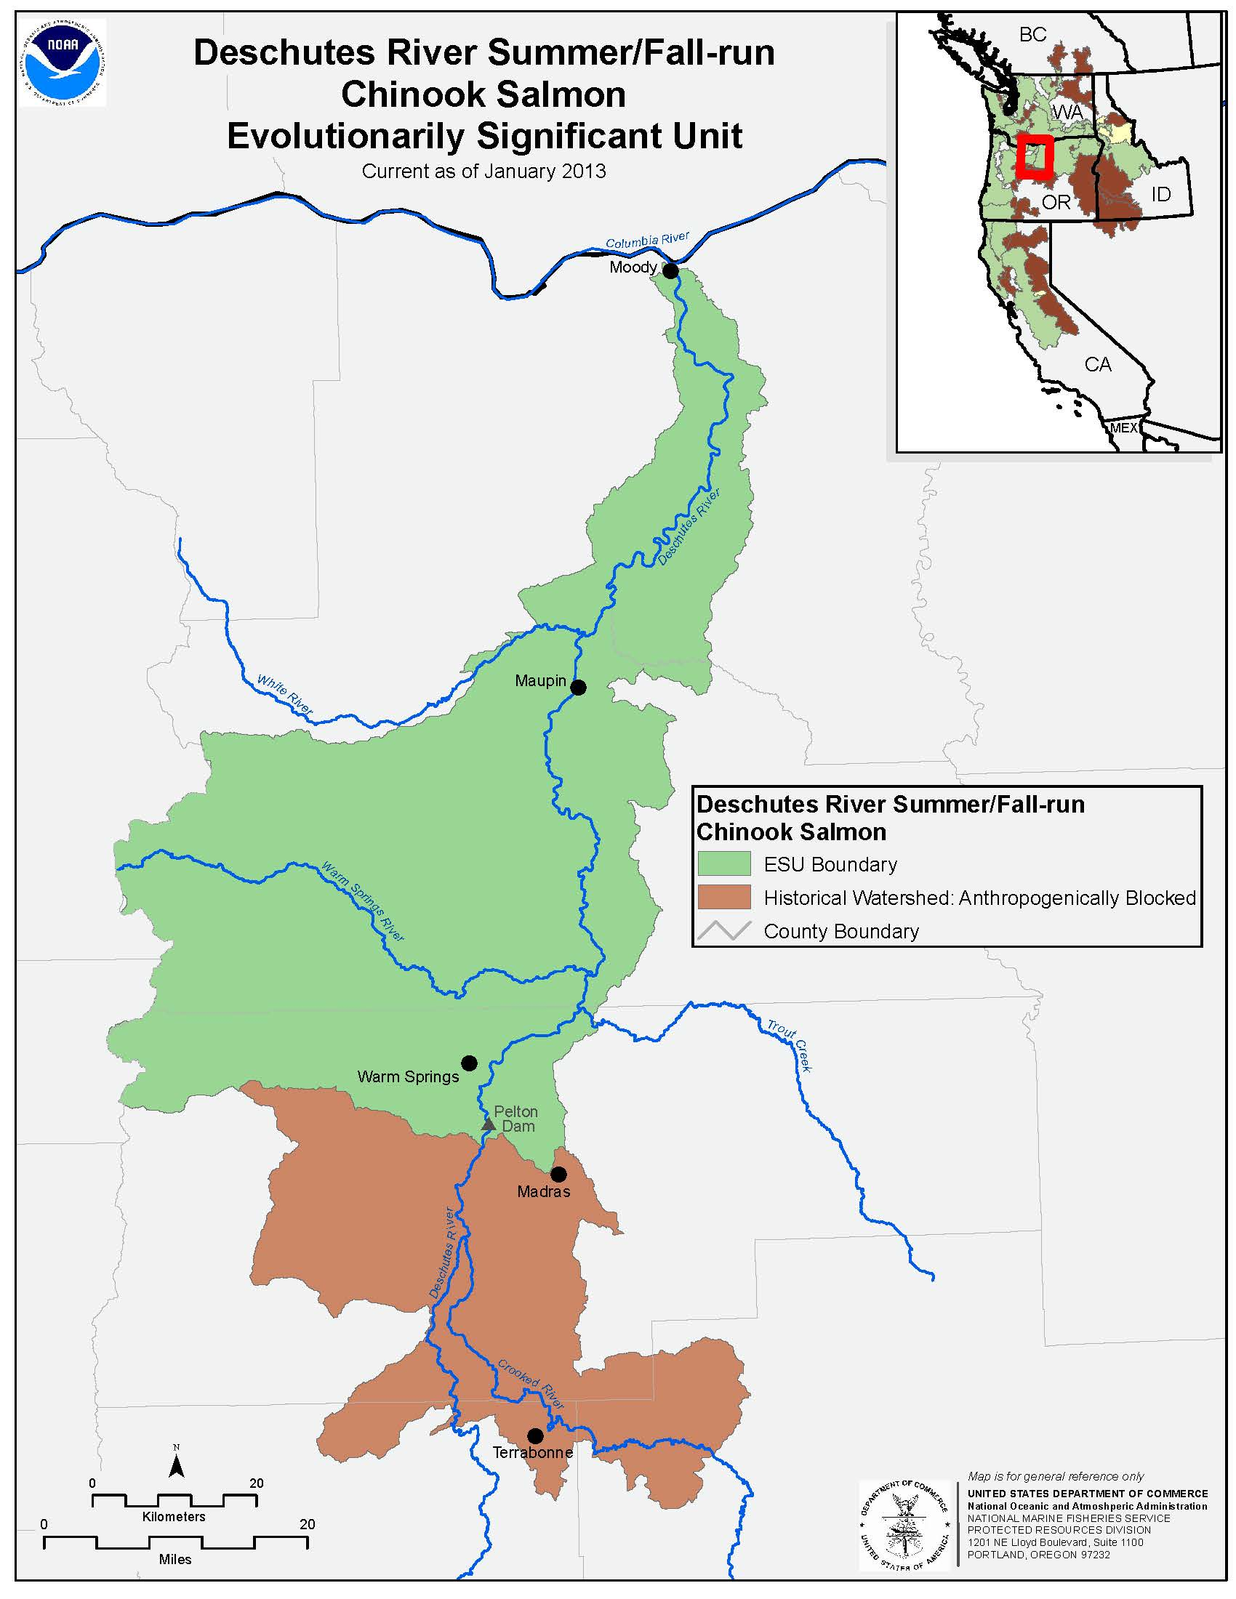
 |  |  |  |  |  |  | Natural Production |  | Abundance |  | Potential Goal Range
 |  |  |  |  |  |  | MPG | Population | Recent | Historical | Low | Med | High
 |  |  |  |  |  |  | Mid-C | Deschutes River | 11,500 | 17,000 | 4,000 | 13,000 | 16,000
 |  |  |  |  |  |  | Totals |  | 11,500 | 17,000 | 4,000 | 13,000 | 16,000

 |  |  |  |  |  |  | Hatchery Production |  | Current Production |  |  | Return | Anticipated
 |  |  |  |  |  |  | Location (Program) |  | Stock | Brood | Subyearlings | goal | production
 |  |  |  |  |  |  | Bonneville Pool (Spring Crk)* |  | tule |  | 10,700,000 |  | 10,700,000
 |  |  |  |  |  |  | Deschutes R |  | -- | 0 | 0 | 0 | 0
 |  |  |  |  |  |  | L White Salmon (LWSNFH)* |  | bright |  | 4,700,000 |  | 4,700,000
 |  |  |  |  |  |  | L White Salmon (Willard)* |  | bright |  | 1,800,000 |  | 1,800,000
 |  |  |  |  |  |  | Klickitat R (Klickitat)* |  | bright | 2,600 | 3,000,000 |  | 4,000,000
 |  |  |  |  |  |  | Umatilla (Bonn./Umatilla)* |  | bright |  | 1,500,000 |  | 1,500,000
 |  |  |  |  |  |  | Total |  | bright | 2,600 | 11,000,000 |  | 12,000,000 |  |  | 11,000,000 |  | 12,000,000
 |  |  |  |  |  |  | * Non-ESU hatchery production of Fall Chinook in the mid-Columbia region

 |  |  |  |  |  |  | Fisheries / Harvest |  | Exploitation rate |  |  |  | Harvest
 |  |  |  |  |  |  |  | Location | Avg (v ocn) | Avg (v CR) | Limits | Potential | Recent | Potential | 35.6% |  | ocn abundance | 28873.020801 | 35.6%
 |  |  |  |  |  |  | Wild/Natural | Ocean (AK) | 20.8% | -- | -- | 40-80% | 6,000 | 18,600 | 19.2% |  | ocn harv total | 10273.020801
 |  |  |  |  |  |  |  | Ocean (Can) | 12.3% | -- | -- |  | 3,600
 |  |  |  |  |  |  |  | Ocean (WA/OR) | 2.5% | -- | -- |  | 700 |  |  |  |  |  | 19.2%
 |  |  |  |  |  |  |  | Col sport | 4.2% | 6.5% | 21.5-45% |  | 1,200 | 15,400
 | Current | 11,500 |  |  |  |  |  | Col commercial | 3.7% | 5.8% |  |  | 1,100
 | Low goal | 4,000 |  |  |  |  |  | Col treaty | 7.2% | 11.2% |  |  | 2,100
 | Med goal | 13,000 |  |  |  |  |  | Terminal sport & treaty | 4.1% | 6.3% |  |  | 1,200
 | High goal | 16,000 |  |  |  |  |  | Total | 54.8% | 29.8% | 30-70% | 40-80% | 15,900 | 34,000
 | Historical | 17,000
 |  |  |  |  |  |  | Total Return |  | Recent avg. |  | @ Goals
 |  |  |  |  |  |  |  |  | (2008-2017) | Low | Med | High
 |  |  |  |  |  |  | @ Columbia R Mouth |  | 18,600 | 6,500 | 21,200 | 33,700
 |  |  |  |  |  |  |  | Wild/Natural | 18,600 | 6,500 | 21,200 | 33,700
 |  |  |  |  |  |  |  | Hatchery | 0 | 0 | 0 | 0
 |  |  |  |  |  |  |  | % hatchery | 0% | 0% | 0% | 0%
 |  |  |  |  |  |  | To Mid Col R (BON) |  | 16,300 | 5,700 | 18,700 | 27,100
 |  |  |  |  |  |  |  | Wild/Natural | 16,300 | 5,700 | 18,700 | 27,100
 | Escapement | Terminal harvest
1977 | 10,133 | 3,533
1978 | 7,651 | 3,568
1979 | 9,217 | 3,592
1980 | 7,022 | 3,458
1981 | 8,118 | 3,131
1982 | 5,513 | 2,016
1983 | 6,346 | 2,174
1984 | 2,779 | 970
1985 | 8,309 | 2,261
1986 | 9,008 | 2,581
1987 | 9,187 | 2,057
1988 | 9,616 | 2,636
1989 | 6,599 | 1,880
1990 | 3,106 | 1,110
1991 | 6,085 | 213
1992 | 4,933 | 41
1993 | 11,316 | 11
1994 | 17,579 | 77
1995 | 15,233 | 55
1996 | 11,420 | 84
1997 | 21,959 | 140
1998 | 19,582 | 585
1999 | 10,422 | 449
2000 | 7,922 | 534
2001 | 21,362 | 361
2002 | 15,464 | 1,064
2003 | 15,968 | 1,156
2004 | 15,498 | 1,377
2005 | 18,142 | 970
2006 | 13,001 | 920
2007 | 12,229 | 1,413
2008 | 9,729 | 879
2009 | 9,891 | 991
2010 | 10,970 | 937
2011 | 25,809 | 1,442
2012 | 17,624 | 1,644
2013 | 25,448 | 2,780
2014 | 22,776 | 1,687
2015 | 17,074 | 1,120
2016 | 17,862 | 0
 |  |  |  |  |  |  |  | Hatchery | 0 | 0 | 0 | 0
 |  |  |  |  |  |  |  | % hatchery | 0% | 0% | 0% | 0%
 |  |  |  |  |  |  | Escape (Spawners) |  | 13,800 | 4,400 | 14,400 | 17,700
 |  |  |  |  |  |  |  | Wild/Natural | 13,800 | 4,400 | 14,400 | 17,700
 |  |  |  |  |  |  |  | Hatchery | 0 | 0 | 0 | 0
 |  |  |  |  |  |  |  | % hatchery | 0% | 0% | 0% | 0%
 |  |  |  |  |  |  | Harvest (Col basin) |  | 5,600 | 2,000 | 6,400 | 15,400
 |  |  |  |  |  |  |  | Wild/Natural | 5,600 | 2,000 | 6,400 | 15,400
 |  |  |  |  |  |  |  | Hatchery | 0 | 0 | 0 | 0
 |  |  |  |  |  |  |  | % hatchery | 0% | 0% | 0% | 0%
 |  |  |  |  |  |  | Harvest (Total) |  | 15,900 | 5,600 | 18,100 | 34,000
 |  |  |  |  |  |  |  | Wild/Natural | 15,900 | 5,600 | 18,100 | 34,000
 |  |  |  |  |  |  |  | Hatchery | 0 | 0 | 0 | 0
 |  |  |  |  |  |  |  | % hatchery | 0% | 0% | 0% | 0%

Current Fishery Distribution (Natural ER)
Mid-C Hatchery Fall Chinook Production

 |  | Totals | 54.8% |  | Totals | 21,700,000

Fishery
Harvest Distribution (Exploitation rate vs. Ocean Adults
See UCR Fall Chinook for details on ocean harvest rates from PSC
 |  |  |  |  | CR rtn | Ocn # |  | (close)
 |  |  | v ocn |  |  | 29,020 | harvest | check
Ocean (AK) | v. Ocn # | 20.4% | 20.4% |  |  |  | 5,920
Ocean (Can) | v. Ocn # | 13.2% | 13.2% |  |  |  | 3,831
Ocean (WA/OR) | v. Ocn # | 2.4% | 2.4% | 36.0% |  |  | 696
Col sport | v Col R # | 6.5% | 4.2% |  | 18,573 |  | 1,214 | 1,163
Col commercial | v Col R # | 5.8% | 3.7% |  |  |  | 1,069 | 1,132
Col treaty | v Col R # | 11.2% | 7.2% | 15.1% |  |  | 2,086 | 2,054
Terminal sport & treaty | v. local # | 8.6% | 4.2% | 4.2% |  |  | 1,224 | 1,456
 |  |  | 55.3% |  |  |  | 16,039

