Summary
Upper Columbia River Steelhead |  |  |  |  | ESA: Threatened |  | Life History: Summer run
Currently inhabits large tributaries upstream from Priest Rapids Dam.
A large portion of the historical habitat upstream from Chief Joseph and Grand Coulee dams is no longer accessible under current management.
This stock ranges widely in the ocean along the Pacific Coast where it is not subject to fisheries.
Hatchery production is significant.
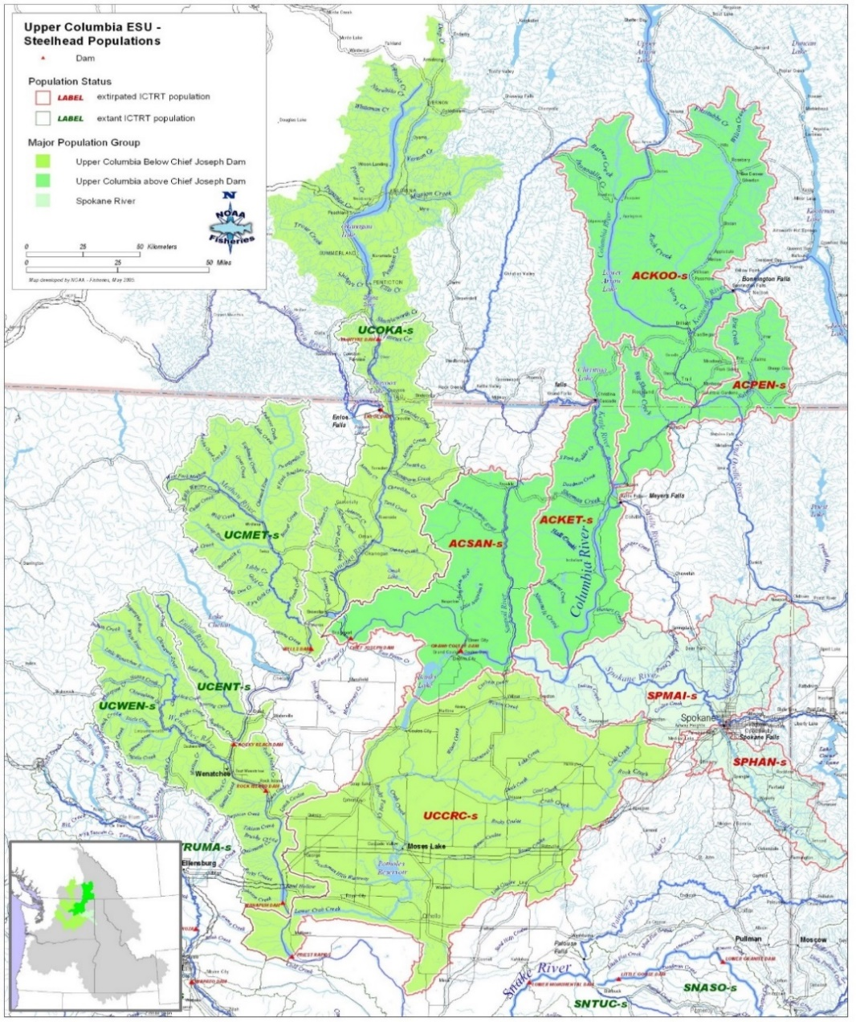
 |  |  |  |  |  |  |  | Natural Production |  | Abundance |  | Potential Goal Range
 |  |  |  |  |  |  |  | MPG | Population | Recent | Historical | Low | Med | High
 |  |  |  |  |  |  |  | N Cascades | Crab | na | 0 | -- | -- | --
 |  |  |  |  |  |  |  |  | Entiat | 140 | 500 | 500 | 1,000 | 1,500 |  |  |  | Historical, Mullen et al. 1992
 |  |  |  |  |  |  |  |  | Methow | 790 | 3,600 | 1,000 | 1,100 | 1,650 |  |  |  | Historical, Mullen et al. 1992
 |  |  |  |  |  |  |  |  | Okanogan | 240 | 10,000 | 500 | 1,900 | 2,850 |  |  |  | Historical using EDT template x2 (for Canada). Contemporary observations (reviewed by Mullen et al 1992) suggested very few steelhead in the Okanogan in the 1900's. I'm unaware of pre-settlement estimates except for Scholz 1985 which was very general and likely a large overestimate. Therefore we are using EDT Template for US portion and doubling it to cover Canadian portion
 |  |  |  |  |  |  |  |  | Wenatchee | 310 | 7,300 | 1,000 | 2,000 | 3,000 |  |  |  | Historical, Mullen et al. 1992
 |  |  |  |  |  |  |  | Blocked area |  | 0 | 1,100,000 | 4,500 | 25,000 | 38,000
 |  |  |  |  |  |  |  | Totals |  | 1,480 | 1,121,400 | 7,500 | 31,000 | 47,000 |  |  |  | Historical, Scholz 1985, expanded to each area with adjustments, remainder for headwaters, we combined the MPG areas into a subtotal due to difficulties and uncertainty regarding the watershed/population specific numbers.
 |  |  |  |  |  |  |  |  |  |  |  |  |  |  |  |  |  | We are only showing a medium term goal because the tribes are not looking to reintroduce steelhead in the near-term based on risk assessment factors with ESA, disease and genetic concerns for resident redband trout. It therefore seems pre-mature to list any sort of long-term goal. So the medium term goal covers the general desire to have some fish in a lot of places without committing to a long term abundance based goal.
 |  |  |  |  |  |  |  | Hatchery Production |  | Current Production |  | Return | Anticipated |  |  |  |  | Need to include the concept that the tribal consumption based estimates included resident O. mykiss, mitigates the uncertainty of the really large estimates
 |  |  |  |  |  |  |  | Location (Program) |  | Brood | Yearlings | Goal | production |  |  |  |  | Within the Scholz 1985 document the catch of steelhead was estimated to be as low as 278k (table 3.8) or as high as 1.4 million (un-numbered table on page 78).
 |  |  |  |  |  |  |  | Methow |  | 202 | 248,000 |  | 348,000 |  |  |  |  | Scholz shows 2 different estimates of the % of run that were steelhead (25% and 31% ; pgs 77-78), but also assumes that catch was proportional to relative abundance. If historical tribal harvest was targeting Chinook then steelhead may have been much smaller portion of the catch. Mullen (App H.) disagrees with the Scholz estimates for steelhead and suggests that steelhead catch was small, due partially to the smaller size and more elusive behavoir of steelhead and less suseptability to traditional fishing gear.
 |  |  |  |  |  |  |  | Okanogan |  | 58 | 100,000 |  | 100,000 |  |  |  |  | 15 tribes coalition document on passage appendix includes steelhead at only 14%
 |  |  |  |  |  |  |  | Wenatchee |  | 140 | 247,300 |  | 247,300
Natural Production
 |  |  |  |  |  |  |  | Col R (Wells) |  | 108 | 160,000 |  | 160,000
 | Current | 1,480 |  |  |  |  |  | Col R (Ringold) |  |  | 180,000 |  | 180,000 |  | Wells stock, fishery mitigation
 | Low goal | 7,500 |  |  |  |  |  | New (blocked area) |  | 0 | 0 |  | 50,000 - 3 mil
 | Med goal | 31,000 |  |  |  |  |  | Subtotal |  | 508 | 935,300 |  | 1.0 - 4.1 mil |  | 2750000
 | High goal | 47,000
 | Historical | 1,121,400 |  |  |  |  |  | Fisheries / Harvest |  | Exploitation rate (v Col R) |  |  | Harvest
 |  |  |  |  |  |  |  |  | Location | Avg. | Limits | Potential | 10-yr avg | Potential
 |  |  |  |  |  |  |  | Wild/Natural | Ocean | 0 | -- | -- | 0 | --
 |  |  |  |  |  |  |  |  | Mainstem Non-treaty | 1.8% | 15-22% | 20-50% | 100 | 99,000
 |  |  |  |  |  |  |  |  | Mainstem Treaty | 6.5% |  |  | 400
 |  |  |  |  |  |  |  |  | Terminal (>PRD) | 1.8% | 5-12% |  | 100
 |  |  |  |  |  |  |  |  | Blocked area | 0.0% |  |  | 0
 |  |  |  |  |  |  |  |  | Total | 10.1% | 20-34% | 20-50% | 600 |  | from UCR grp |  | 1,100,000
 |  |  |  |  |  |  |  | Hatchery | Ocean | 0 | -- | -- | 0 | --
 |  |  |  |  |  |  |  |  | Mainstem Non-treaty | 12.0% | -- | <70% | 2,500 | 27,000
 |  |  |  |  |  |  |  |  | Mainstem Treaty | 6.1% | -- |  | 1,300
 |  |  |  |  |  |  |  |  | Terminal (>PRD) | 24.9% | -- |  | 5,300
 |  |  |  |  |  |  |  |  | Blocked area | -- | -- |  | -- |  | 536,767
 |  |  |  |  |  |  |  |  | Total | 43.0% | -- | <70% | 9,100 |  |  | 0.476 | 523888.47023
 | Combined | Wild | Hatchery
1962 | 9334
1963 | 9274
1964 | 5999
1965 | 9041
1966 | 13006
1967 | 7354
1968 | 10523
1969 | 6650
1970 | 5558
1971 | 11102
1972 | 6429
1973 | 6999
1974 | 3089
1975 | 2462
1976 | 9248
1977 | 9812
1978 | 4545
1979 | 8409
1980 | 8524
1981 | 9003
1982 | 11159
1983 | 31809
1984 | 26168
1985 | 34775
1986 | 22396
1987 | 14265
1988 | 10208
1989 | 10667
1990 | 7830
1991 | 14027
1992 | 13733
1993 | 5493
1994 | 6707
1995 | 4357
1996 | 8377
1997 | 9536
1998 | 5837
1999 |  | 1429 | 6921
2000 |  | 2393 | 9119
2001 |  | 5943 | 23842
2002 |  | 3113 | 11891
2003 |  | 2889 | 14776
2004 |  | 3249 | 15041
2005 |  | 2929 | 9509
2006 |  | 1680 | 8699
2007 |  | 3177 | 12481
2008 |  | 3028 | 13156
2009 |  | 7519 | 32628
2010 |  | 7875 | 18356
2011 |  | 5360 | 15566
...
 |  |  |  |  |  |  |  | Total Return |  | Recent avg |  | @ Goals
 |  |  |  |  |  |  |  |  |  | (2006-2015) |  | Low | Med | High | 356,712 | 0.317 | 348153.73022
 |  |  |  |  |  |  |  | @ Columbia R Mouth |  | 27,700 |  | 57,000 | 210,000 | 342,000
 |  |  |  |  |  |  |  |  | Wild/Natural | 6,400 |  | 37,000 | 171,000 | 284,000 | 233,562 | 0.207 | 227957.79955
 |  |  |  |  |  |  |  |  | Hatchery | 21,300 |  | 20,000 | 39,000 | 58,000 | 1,127,041 |  | 1100000
 |  |  |  |  |  |  |  |  | % hatchery | 77% |  | 35% | 19% | 17%
 |  |  |  |  |  |  |  | @ Bonneville Fam |  | 26,700 |  | 55,000 | 202,000 | 327,000
 |  |  |  |  |  |  |  |  | Wild/Natural | 6,400 |  | 36,000 | 165,000 | 272,000 |  |  |  |  | 2% | SAR
 |  |  |  |  |  |  |  |  | Hatchery | 20,300 |  | 19,000 | 37,000 | 55,000
 |  |  |  |  |  |  |  |  | % hatchery | 76% |  | 35% | 18% | 17%
 |  |  |  |  |  |  |  | To Upper Col R (PRD) |  | 19,600 |  | 40,000 | 137,000 | 211,000
 |  |  |  |  |  |  |  |  | Wild/Natural | 5,000 |  | 26,000 | 110,000 | 170,000
 |  |  |  |  |  |  |  |  | Hatchery | 14,600 |  | 14,000 | 27,000 | 41,000 |  |  |  | The low goal also includes stocking surplus fish from below blocked area into the blocked area
 |  |  |  |  |  |  |  |  | % hatchery | 74% |  | 35% | 20% | 19%
 |  |  |  |  |  |  |  | Escapement
Current Fishery Distribution Wild/Natural Impacts
Current Production (Smolts)
 |  |  |  |  |  |  |  |  | Wild/Natural | 1,500 |  | 8,000 | 31,000 | 48,000
 |  |  |  |  |  |  |  |  | Hatchery
 | U Col Sport |  | 1.8% |  |  |  |  |  | % hatchery
 | Zone 6 tribal |  | 6.5% |  |  |  |  | Harvest (Col Basin) |  | 9,700 |  | 16,000 | 68,000 | 126,000
 | Col R Spt |  | 1.6% |  |  |  |  |  | Wild/Natural | 600 |  | 7,000 | 50,000 | 99,000 |  |  |  | CCT rate above Wells Dam is 5-12% on a sliding scale, Not sure what the WDFW rate is for their sport fishery
 | LCR comm. |  | 0.2% |  |  |  |  |  | Hatchery | 9,100 |  | 9,000 | 18,000 | 27,000
 | US Ocean |  | 0 |  |  |  |  |  | % hatchery | 94% |  | 56% | 26% | 21% |  |  |  | Ray had these ranges under the mainstem, but likely more appropriate for the whole river
 | AK/CAN |  | 0 |  |  |  |  | Harvest (total) |  | 9,700 |  | 16,000 | 68,000 | 126,000
 |  |  |  |  |  |  |  |  | Wild/Natural | 600 |  | 7,000 | 50,000 | 99,000
 |  |  |  |  |  |  |  |  | Hatchery | 9,100 |  | 9,000 | 18,000 | 27,000
 |  |  |  |  |  |  |  |  | % hatchery | 94% |  | 56% | 26% | 21%

 |  |  | Total | 10.1% |  | Total | 935,300

Fishery
Upper Columbia River Steelhead
Quantitative fishery reference values for (prototype) stock of Columbia R. Salmon and Steelhead. |  |  |  |  |  |  |  |  |  |  | Goal Range Totals)
 |  | Numbers |  | Reference Values |  |  | Existing Goals |  |  |  | Low |  | Med |  | High |  | For plot
Fishery | Metrics | Current | Historical | Rebuilding Expl. Rate | Optimum Yieldb | Max. Yieldc | PSC | PFMC | USvOR | Tribal
Current Fishery Distribution of Wild/Natural Impacts
U Col Sport | 1.8%
Zone 6 tribal | 6.5%
Col R Spt | 1.6%
LCR comm. | 0.2%
US Ocean | 0.0%
AK/CAN | 0.0%
Terminal tribal | Impact rate (Natl.) | -- |  |  |  |  | -- | -- | -- | --
 | Impact rate (Hat.) |  |  |  |  |  | -- | -- | -- | --
Terminal sport | Impact rate (Natl.) | -- |  |  |  |  | -- | -- | -- | --
 | Impact rate (Hat.) |  |  |  |  |  | -- | -- | -- | --
Zone 6 tribal | Impact rate (Natl.) | 5.8% |  |  |  |  | -- | -- | 13-20% | --
 | Impact rate (Hat.) |  |  |  |  |  | -- | -- | -- | --
UpR. sport | Impact rate (Natl.) | 1.1% | 0-8% |  |  |  | -- | -- | <2% | --
 | Impact rate (Hat.) |  |  |  |  |  | -- | -- | -- | --
LCR comm. | Impact rate (Natl.) | 1.1% | 0-66% |  |  |  | -- | -- | <2% | --
 | Impact rate (Hat.) |  |  |  |  |  | -- | -- | -- | --
LCR sport | Impact rate (Natl.) | 1.1% | 0-17% |  |  |  | -- | -- | <2% | --
 | Impact rate (Hat.) |  |  |  |  |  | -- | -- | -- | --
US Ocean | Impact rate (Natl.) | 0 | -- | -- | -- | -- | -- | -- | -- | --
 | Impact rate (Hat.) | 0 | -- | -- | -- | -- | -- | -- | -- | --
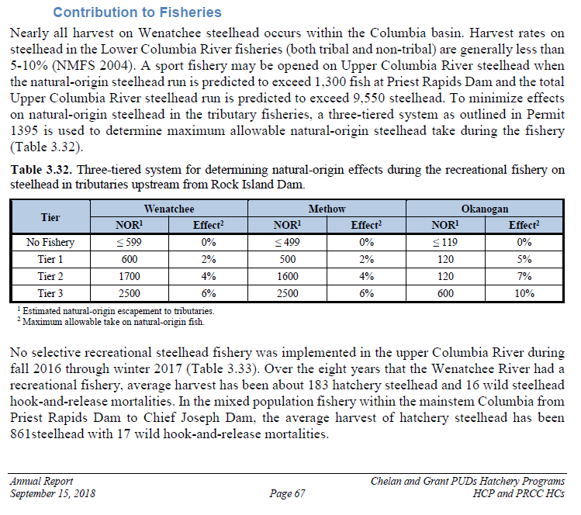
AK/CA | Impact rate (Natl.) | 0 | -- | -- | -- | -- | -- | -- | -- | --
 | Impact rate (Hat.) | 0 | -- | -- | -- | -- | -- | -- | -- | --
Total | Impact rate (Natl.) | 6.9% |  |  |  |  |  |  |  |  | 15% | 22% | 15% | 30% | 15% | 40%
 | Impact rate (Hat.)
Terminal tribal | Harvest (Natl.) |  |  |  |  |  | -- | --
 | Harvest (Hat.) |  |  |  |  |  | -- | --
Terminal sport | Harvest (Natl.) |  |  |  |  |  | -- | --
 | Harvest (Hat.) |  |  |  |  |  | -- | --
Zone 6 tribal | Harvest (Natl.) |  |  |  |  |  | -- | --
 | Harvest (Hat.) |  |  |  |  |  | -- | --
UpR. sport | Harvest (Natl.) |  |  |  |  |  | -- | --
 | Harvest (Hat.) |  |  |  |  |  | -- | --
LCR comm. | Harvest (Natl.) |  |  |  |  |  | -- | --
 | Harvest (Hat.) |  |  |  |  |  | -- | --
LCR sport | Harvest (Natl.) |  |  |  |  |  | -- | --
 | Harvest (Hat.) |  |  |  |  |  | -- | --
US Ocean | Harvest (Natl.) | 0 | -- | -- | -- | -- | -- | -- | -- | --
 | Harvest (Hat.) | 0 | -- | -- | -- | -- | -- | -- | -- | --
AK/CA | Harvest (Natl.) | 0 | -- | -- | -- | -- | -- | -- | -- | --
 | Harvest (Hat.) | 0 | -- | -- | -- | -- | -- | -- | -- | --
Total | Harvest (Natl.)
 | Harvest (Hat.)

